D1
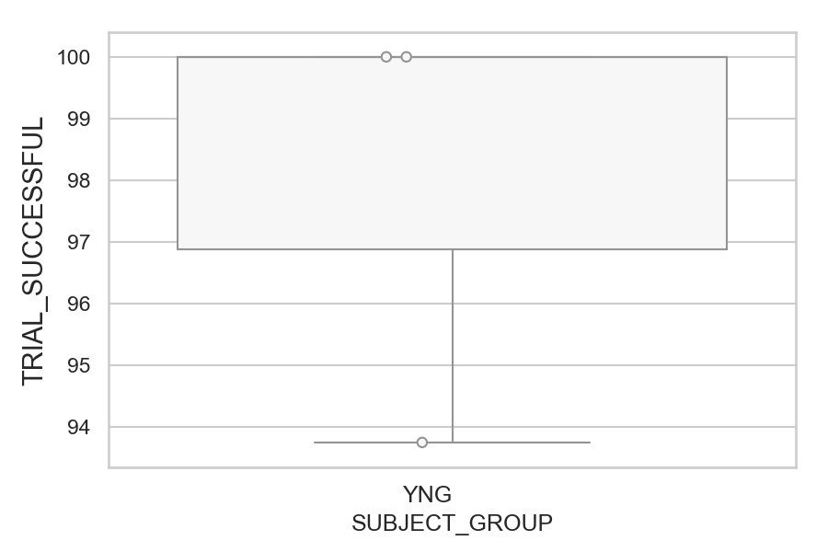
Total number of successful trials (correct or corrected saccades made) (percentage)
SUBJECT_NAME | SUBJECT_GROUP | NUMBER_OF_SUCCESSFUL_TRIALS | TOTAL_NUMBER_OF_TRIALS | SUBJECT_AGE | VALUE
AW001CG | YNG | 16 | 16 | 19 | 100
AW002AF | YNG | 16 | 16 | 19 | 100
MP1 | YNG | 15 | 16 |  | 93.75

D1 (types)
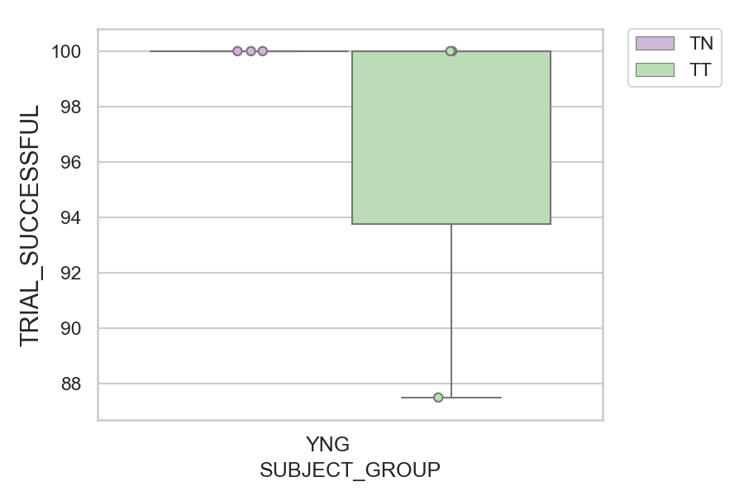
Total number of successful trials (correct or corrected saccades made) (percentage)
SUBJECT_NAME | SUBJECT_GROUP | CONDITION_APPEARANCE | NUMBER_OF_SUCCESSFUL_TRIALS | TOTAL_NUMBER_OF_TRIALS | SUBJECT_AGE | VALUE
AW001CG | YNG | TN | 10 | 10 | 19 | 100
AW001CG | YNG | TT | 6 | 6 | 19 | 100
AW002AF | YNG | TN | 10 | 10 | 19 | 100
AW002AF | YNG | TT | 6 | 6 | 19 | 100
MP1 | YNG | TN | 8 | 8 |  | 100
MP1 | YNG | TT | 7 | 8 |  | 87.5

